MLA (Vermeesch, 2021)
Supplementary Table 4. U-Pb zircon age data and MLA(*) from selected samples of upper Palaeozoic units from Augustsson et al. (2015)
* Only Carboniferous to Silurian ages were used to determine Maximum Likelihood Ages (MLA, Vermeesch, 2021).

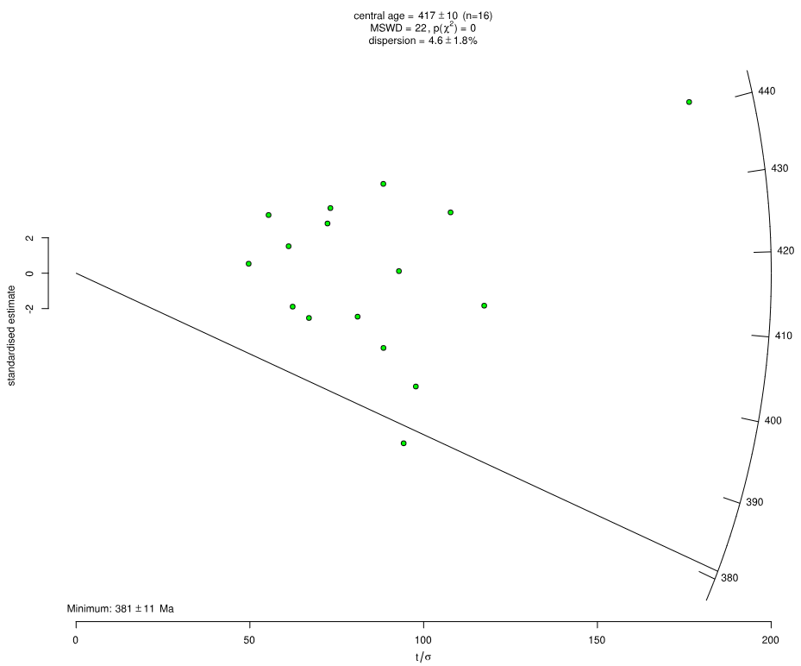
Sierra del Tigre Fm.
CC-08-135
Age (Ma) | 2s
377 | 8
391 | 8
398 | 9
402 | 12
405 | 13
405 | 10
411 | 7
418 | 9
422 | 17
428 | 14
431 | 8
434 | 12
439 | 12
441 | 5
442 | 10
443 | 16

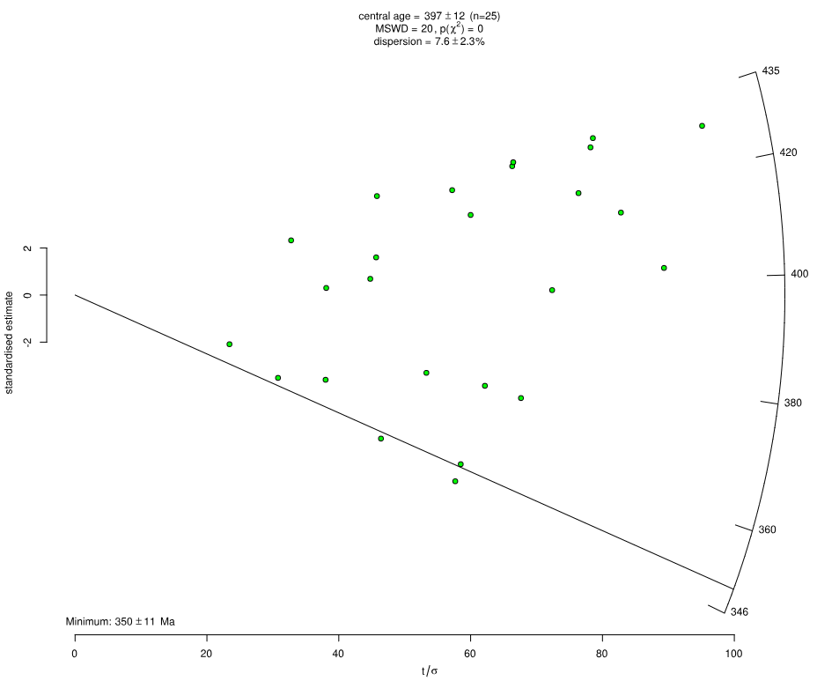
El Toco Fm.
CP-08-09
Age (Ma) | 2s
346 | 12
348 | 15
351 | 12
354 | 23
361 | 19
363 | 31
372 | 11
373 | 14
373 | 12
398 | 11
400 | 21
402 | 9
403 | 18
411 | 18
414 | 10
420 | 14
420 | 11
426 | 26
428 | 9
429 | 15
430 | 11
431 | 13
432 | 11
432 | 13
435 | 19

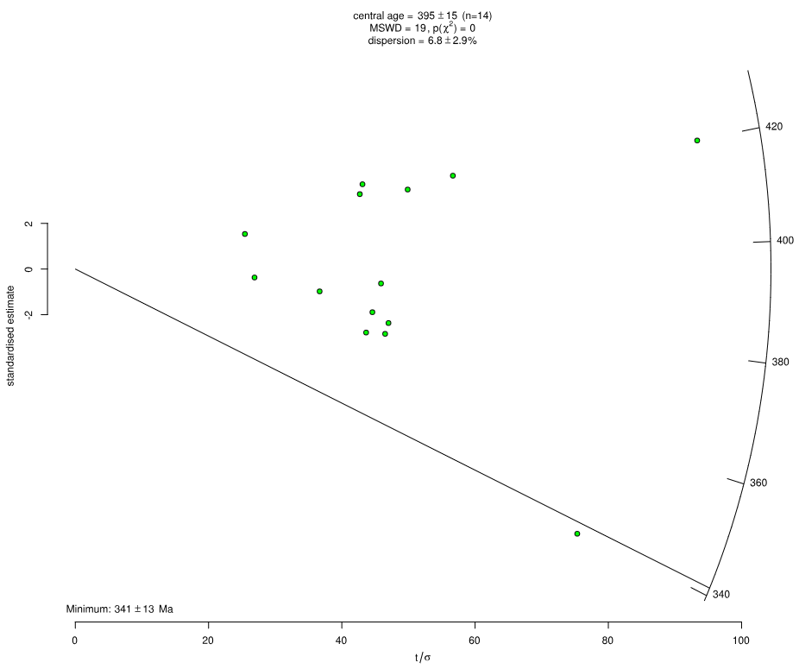
Zorritas Fm. (Upper)
MS-08-60
Age (Ma) | 2s
339 | 9
371 | 17
372 | 16
376 | 16
379 | 17
385 | 21
390 | 29
390 | 17
420 | 33
420 | 9
424 | 17
425 | 15
427 | 20
431 | 20

